Sheet1
 |  |  | Intro to networking

Simple words | TCP/IP Model | OSI Model
Medium | Network Interface | Physical layer | Wires/Radio/Glass
Local |  | Data Link layer | Ethernet
Global | Internet | Network layer | Internet Protocol (IP)
Ques | Transport | Transport layer | Transmission Control Protocol (TCP)
Data | Application | Application layer | Website/Email

 |  | Data encapsulation (Woooo Matryoshka!)
7 - Application layer | We split the info into chunks (as it might be too big to send all at once)
4 - Transport layer - hosts header with: | Source port | Destination port | Flags | Seq | Ack | Payload (the webiste data chunk) | All of this (the data + the Transport leayer header) is like an envelope and we call it a segment | Protocol used for example - TCP
3 - Network layer -adds another header with: | Source IP address | Destination IP address | TTL | Other | Payload (the segment - basically the entire TCP envelope) | All of this (the segment + the Network header) is like another envelope and is called a packet | Protocol used for example - IP
2 - Data link layer - adds (guess what? - Damn right!) - another header with: | Destination MAC Address | Source MAC Address | Layer 3 Protocol | Payload (the packet - basically the entire Network envelope) | All of this (the packet + the Data link header) is yet another envelope (Matryoshka doll anyone?) and is called a frame | Protocol used for example - Ethernet
1 - Physical layer - converts the frame into binary and then sends it as an electrical (or radio, or light) signal
Summary
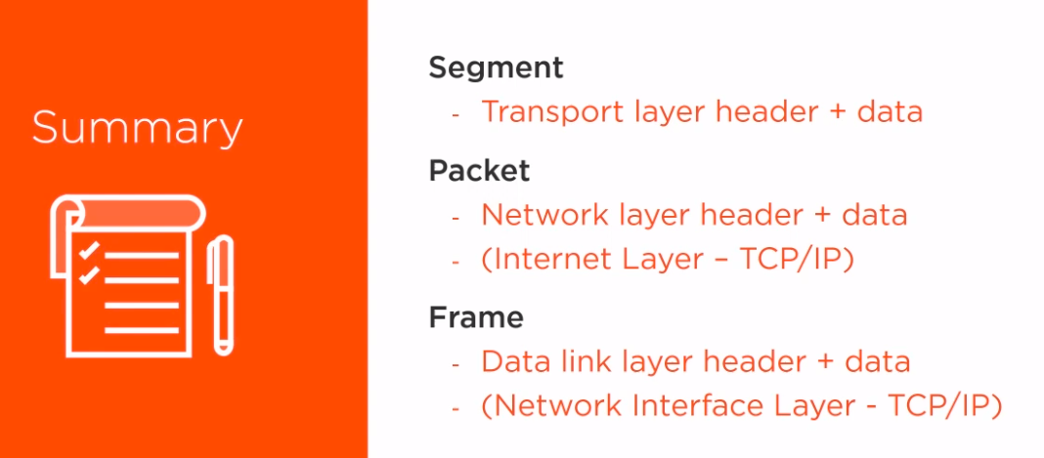

A MAC address is a 48-bit number written in hexadecimal | Hardcoded into the network interface card. So one computer can have several MAC addresses | First 24 bits (6 signs) signify the manufacturer, the last 24 show the serial number (should be unique) |  | Usually (for most practical purposes), anything with a unique MAC address would also have a unique IP address. | Thus, a router, having two different MAC addresses (internal and external side), would also have two distinct IP addresses on those sides.

Frames are practically temporary!!! Go send a packet, we dress it up in a frame first. We then send that frame to our side of our router. The router yoinks the packet out of the frame, and then builds it another frame on its other side. Then it sends that new frame over the local network on the other side, where that packet gets to that side of a different router. Again, the router takes the packet out and build it another frame for its own other side, and so on until it gets to the final destination. |  |  | How a subnet mask functions - it separates the address in two - a network portion and a host portion. The first three sets are the network portion, and the last several are the host portion. 255.255.255.1

